1. Title Page
Instacart Grocery Basket Analysis

Project Name: Instacart Grocery Basket Analysis
Date: 10/02/2022
Analyst Name: Stefany Garcia

Contents:
Population Flow
Consistency checks
Wrangling steps
Column derivations
Visualizations and Recommendations

2. Population Flow
 | Title page

Population flow

Exclusion flag
Condition: max_order < 5
Obervations to be removed: 1440295
Final total count of order_products_all: 30964564

Orders_products_combined
Orders_products_merged
Orders_products_all

Total: 32404859
Total: 32434489
Total: 32404859

 | Title page

The Instacart Online Grocery Shopping Dataset 2017”, Accessed from https://www.instacart.com/datasets/grocery-shopping-2017 on 10/03/2022.

3. Consistency checks
 |  |  |  | Title page
Consistency checks

Dataset | Missing values | Missing values treatment | Duplicates
orders | 206209 in days_since_prior_order column | none | No duplicates
products | 16 in product_name column | Rows deleted | 5 duplicates deleted
orders_products_prior | none | none | none
customers | none | none | none

4. Wrangling steps
 |  |  |  | Title page
Wrangling steps

Columns dropped | Columns renamed | Columns' type changed | Comment/Reason
eval_set |  |  | Unnecessary
 | order_dow to orders_day_of_week |  | Unintuitive name
 |  | order_id from integer to string | The order id number acts as an identifier.
 |  | user_id from integer to string | The user id number acts as an identifier.
 | user_id to customer_id |  | Unintuitive name
 | First name to firstname |  | consistency
 | Surnam to last_name |  | consistency
 | fam_status to marital_status |  | consistency
 | n_dependants to no_of_dependents |  | consistency
 | Gender to gender |  | consistency
 | Age to age |  | consistency
 | STATE to state |  | consistency
 |  | first_name to string | mixed data types
first_name |  |  | data privacy
last_name |  |  | data privacy

5. Column derivations
 |  |  |  |  |  |  | Title page

Column derivations and aggregations
Column derivations and aggregations

Dataset | New column | Column/s it was derived from | Conditions | Frequency table
ords_prods_customers
 | price_label | prices column | Prices over 15 are high range products |  | Mid-range product | 652638
 |  |  | Prices greater than 5 and less than or equal to 15 are mid range products |  | Low-range product | 338018
 |  |  | Prices less than or equal to 5 are low range products |  | High-range product | 9344

 | busiest_day | orders_day_of_week | The busiest day is day 0 (Saturday) Least busy is day 4 (Wednesday) The rest are regularly busy |  | Regularly busy | 22416875
 |  |  |  |  | Busiest day | 6204182
 |  |  |  |  | Least busy | 3783802

 | busiest_days | orders_day_of_week | 0 and 1 are the busiest days, 4 and 3 are the least busy days, rest are regularly busy
 |  |  |  |  | Regularly busy | 12916111
 |  |  |  |  | Busiest days | 11864412
 |  |  |  |  | Least busy days | 7624336

 | busiest_period_of_day | order_hour_of_day | The fewest orders are in the early morning from 0-6
 |  |  | the most orders occur in the daytime from 9-16 |  | Most orders | 21118071
 |  |  | average orders occur in the evening/night from 7-8 and 17-23 |  | Average orders | 10399967
 |  |  |  |  | Fewest orders | 886821

 | max_order | user_id | The max number of orders for each customer
 |  | order_number

 | loyalty_flag | max_order | If the maximum orders the user has made is over 40, then the customer will be labeled a “Loyal customer.”
 |  |  | If the maximum orders the user has made is over 10 but less than or equal to 40, then the customer will be labeled a regular customer |  | Regular customer | 15876776
 |  |  | If the maximum orders the user has made is less than or equal to 10, then the customer will be labeled a new customer |  | Loyal Customer | 10284093
 |  |  |  |  | New customer | 6243990

 | mean_price | prices | Mean price of each customers orders

 | spending_flag | mean_price | If the mean of the prices of products purchased by a user is lower than 10, then flag them as a “Low spender.”
 |  |  | If the mean of the prices of products purchased by a user is higher than or equal to 10, then flag them as a high spender |  | Low Spender | 32285131
 |  |  |  |  | High Spender | 119728

 | median__since_prior_order | days_since_prior_order | The median value of days since the customer's prior order

 | frequency_flag | median_prior_days | If the median of “days_since_prior_order” is higher than 20, then the customer should be labeled a “Non-frequent customer.”
 |  |  | If the median is higher than 10 and lower than or equal to 20, then the customer should be labeled a “Regular customer.” |  | Frequent customer | 21559853
 |  |  | If the median is lower than or equal to 10, then the customer should be labeled a “Frequent customer.” |  | Regular customer | 7208564
 |  |  |  |  | Non-frequent customer | 3636437

 | max_order | user_id | Count of amount of times each customer_id appears

 | low_activity_flag | total_orders | Low activity customers have less than 5 orders and are labeled as "exclude_customer"
 |  |  | Regular activity customers have 5 or more orders and are labeled as "keep_customer" |  | Keep customer | 30964564
 |  |  |  |  | Low Activity | 1440295

 | region | state | States were divided into their respective regions
 |  |  |  |  | South | 10790797
 |  |  |  |  | West | 8292913
 |  |  |  |  | Midwest | 7597325
 |  |  |  |  | Northeast | 5722736

 | age_group | age | Early adults range from 18-34
 |  |  | Middle adults range from 35-44 |  | Early adult | 8242295
 |  |  | Late middle adults range from 45-64 |  | Middle adult | 4836674
 |  |  | Older adults are above 65 |  | Late middle adult | 9690051
 |  |  |  |  | Older adult | 8195544

 | income_flag | income | Low income ranges from 0-52,000
 |  |  | Middle income ranges from 52,000-156,000 |  | Middle income | 24541393
 |  |  | Upper income ranges from 156,000 and higher |  | Low income | 3691708
 |  |  | These values were gathered from Pew Research |  | High income | 2731463

 | single_caretaksingle_caretaker_flag | no_of_dependents | Customers with dependents and who were classified as single were classified as single caretakers
 |  | marital_status | Customers with dependents and who were classified as married were not single caretakers |  | Single caretakers | 1481172
 |  |  | Customers without dependents were NaNs |  | Non single caretaker | 21743711
 |  |  |  |  | NaNs | 7739681

 | pet_owner_flag | department | If the customer made any purchases from the pet department, they are classified as a pet owner
 |  |  |  |  | non pet owner | 27513213
 |  |  |  |  | pet owner | 3451351

6. Visualizations and Recs
 |  |  |  |  |  |  |  | Title page

Visualizations and Recommendations

What are the busiest days of the week and hours of the day?
The largest number of orders are placed on Saturday, Sunday, and Friday in that order. Within these days, the busiest hours of the day are 10am-3pm. Ads should be scheduled on Tuesdays and Wednesdays, from midnight to 5am, since these are the least busy times.

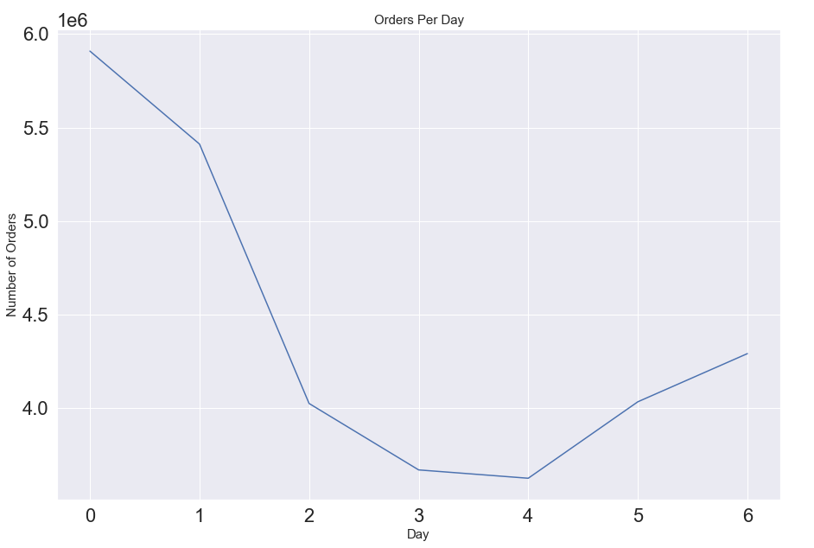
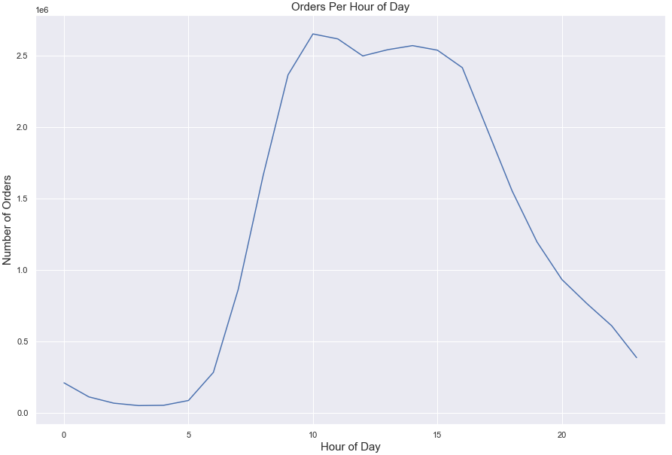

Figure 1 |  |  | Figure 2
Figure 1 shows the number of orders placed during different days of the week. The largest number of orders are placed on Saturday, Sunday, and Friday. |  |  | Figure 2 shows the number of orders placed during different hours of the day. The largest number of orders are placed from 10am-3pm.

Are there particular hours of the day when people spend the most money?
People buy the highest priced items on Friday and Saturday from the hours of 12am and 7am, with a signifcant peak between 4am and 5am. High priced items should be advertised at these times.

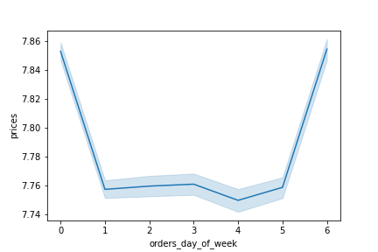
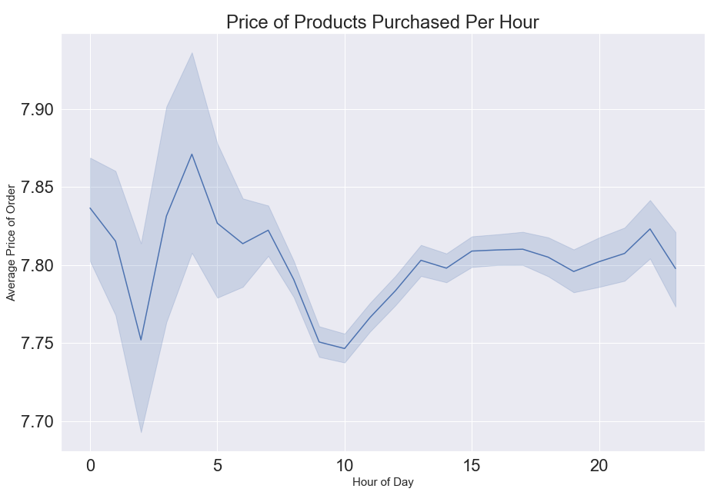

Figure 3 |  |  |  | Figure 4
Figure 3 shows the average price of the products purchased at each hour of the day. People tend to buy the highest priced items between 12am and around 7am. There is a peak between 4 and 5am. |  |  |  | Figure 4 shows the average price of the products purchased at each day of the week. People tend to buy the highest priced items on Saturday and Friday.

Are there certain types of products that are more popular than others?
The produce department is by far the most popular, followed by dairy eggs, snacks, and beverages. The least popular department is the bulk department.

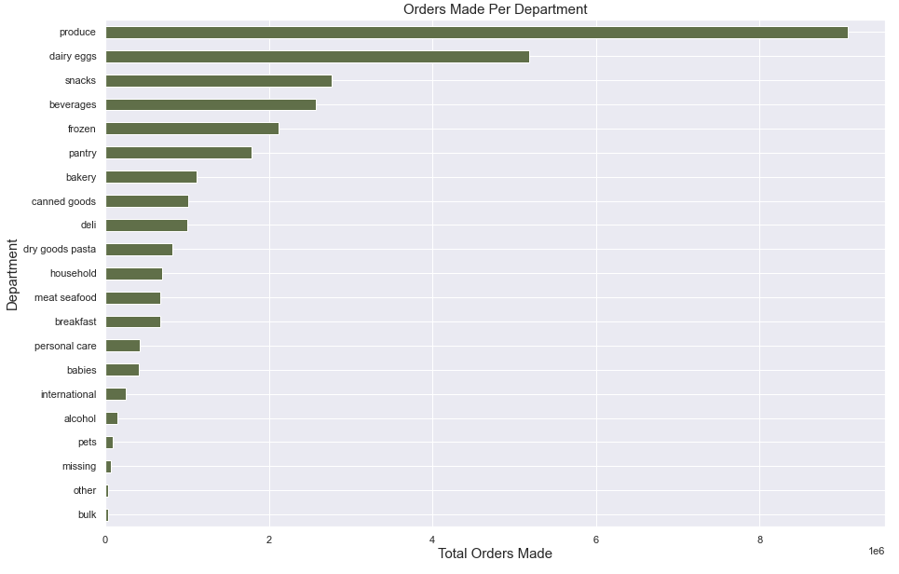
 |  |  |  |  | Figure 5 shows the total number of orders placed in each department.

 | Figure 5

What are different types of customers and how do their ordering behaviors differ?

I created 4 customer profiles based on age, income, pet ownership, and whether or not they were single caretakers. Age Profile Recommendations: Late middle adults make up the largest chunk of Instacart customers, and have the largest percentage of loyal customers. In order to capitalize on this, I recommend ads targeted towards this age group during the times of midnight to 5am on Saturdays and Wednesdays, since this is when this group has the least number of orders. Notably, unlike other customers, late middle adults make the least number of orders on Saturday. Therefore, Saturday ads should be specifically targeted towards this group. Income Profile Recommendations: Middle income customers make up the bulk of InstaCart shoppers. They also spend the most money on orders, while low income customers spend the least, and high income customers are a consistent middle. In order to target middle income customers, I recommend scheduling ads targeting this group on Thursdays, at any time except 1am and 5am, as these are their busiest hours. Low income and high income customers follow a similar hourly shopping pattern, so ads for these two groups can be scheduled at the same time of day, but I recommend Tuesdays for low income customers and Saturdays for high income customers. Pet Owner Profile Recommendations: Pet owners are most prevalent in the Southern region and pet owners tend to have a proportionally higher likelihood of being loyal customers. I recommend targeting the South for a pet product push. Single Caretaker Profile Recommendations: Single caretakers are not making many Instacart orders, but they are generally consistent in their daily and hourly shopping habits. The proportion of single caretakers who are also loyal customers is equal, suggesting that the single caretakers who do use Instacart, highly enjoy the service. I recommend a general marketing push to advertise the Instacart service as a viable service for single caretakers.

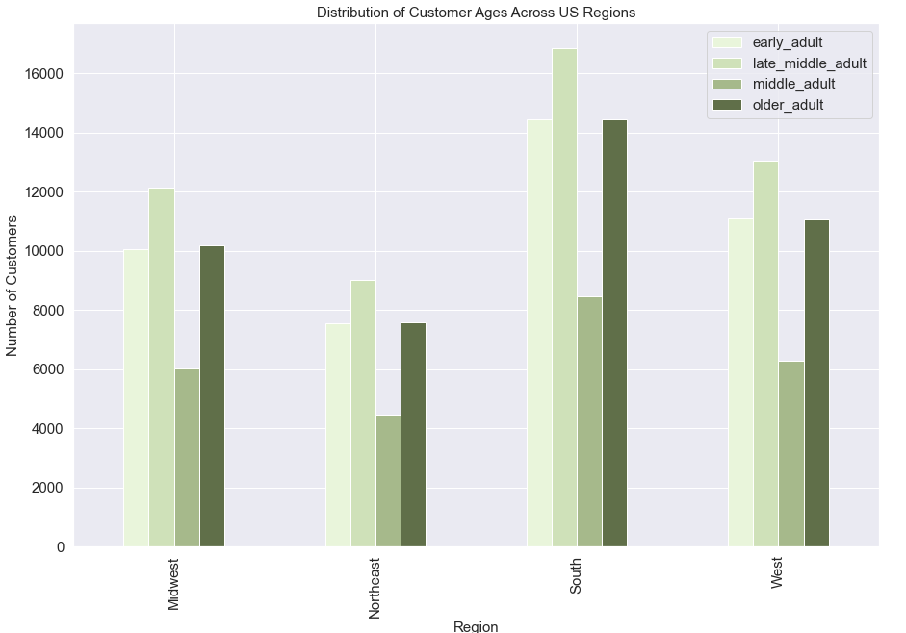
1) Age Profile
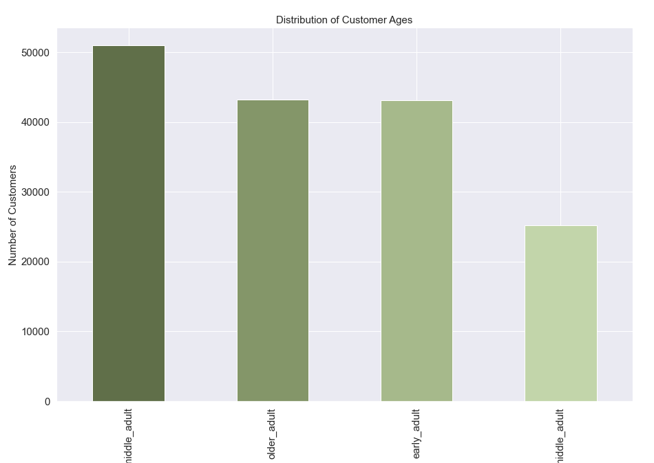

Figure 6 |  |  |  | Figure 7
Figure 6 shows the distribution of customers based on age range. |  |  |  | Figure 7 shows the distribution of customers based on age range in the 4 US regions.

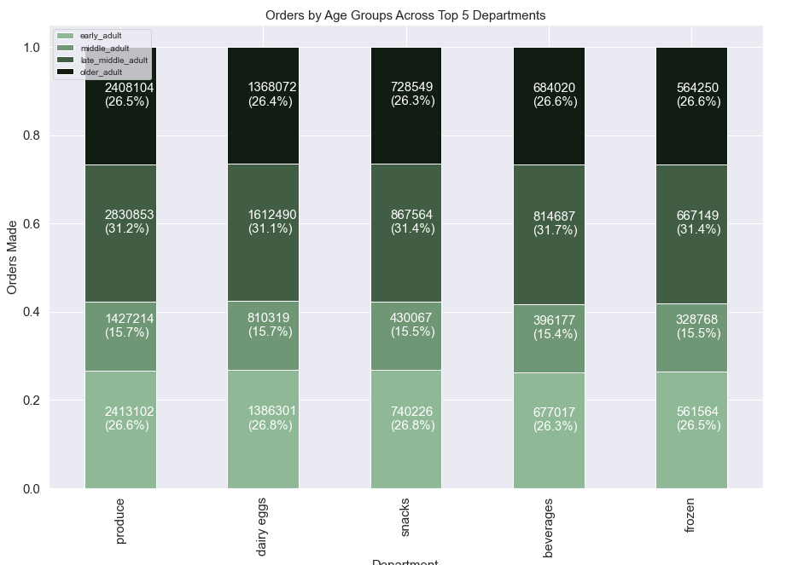

Figure 8 |  |  |  |  | Figure 9
Figure 8 shows the top top 5 departments and the breakdown of orders by each age group for each department. |  |  |  |  | Figure 9 shows the distribution of loyal customers among the age groups. Late middle adults take the lead just slightly.

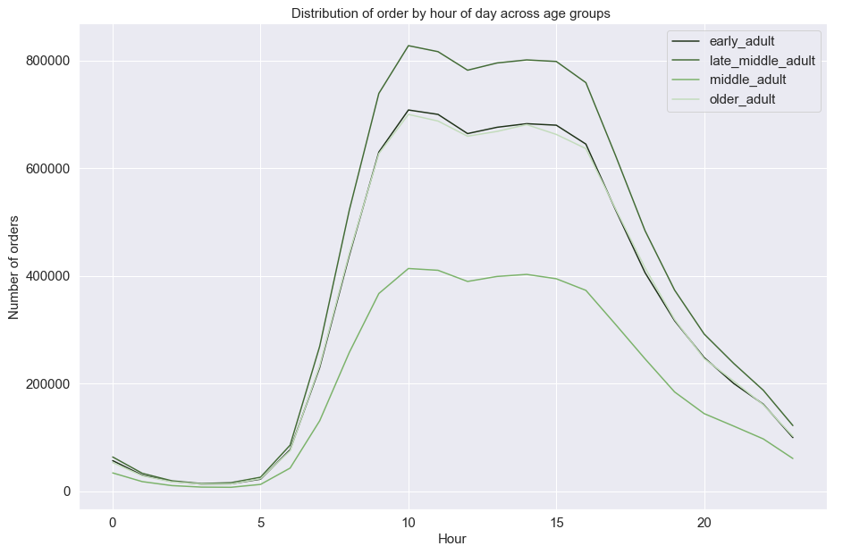
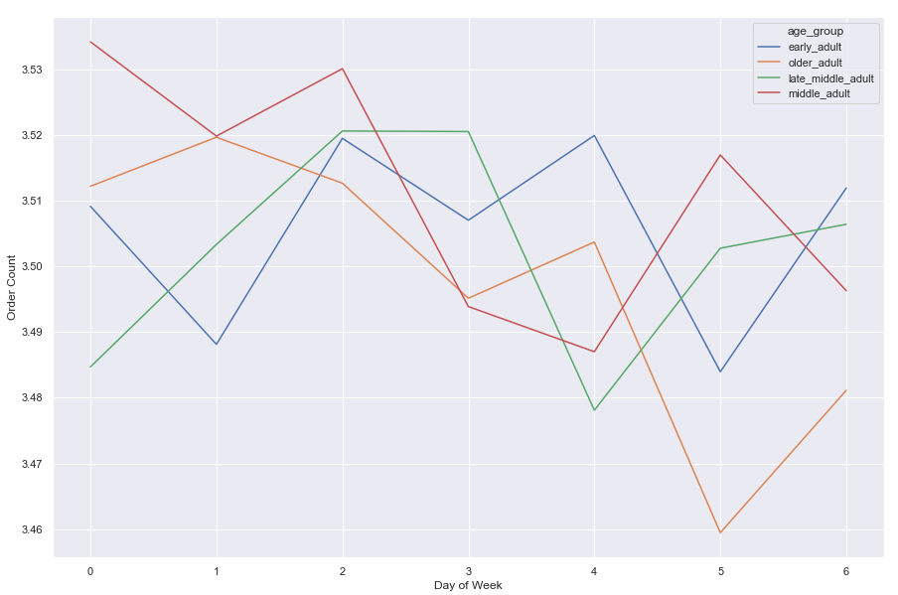

Figure 10 |  |  |  |  | Figure 11
Figure 10 shows the number of orders placed during different days of the week for the 4 age groups. It's interesting to note that older adults and early adults follow a somewhat similar pattern. The most significant trend trend comes from the sharp downturn of older adults completing orders on Thursdays and the uptick on Saturdays. Late middle adults are the only ones that order less on Saturdays than other days. |  |  |  |  | Figure 11 shows the number of orders placed on different hours of the day for the 4 age groups. They all follow a similar pattern, though middle adults have an overall lower number of orders.

2) Income Profile
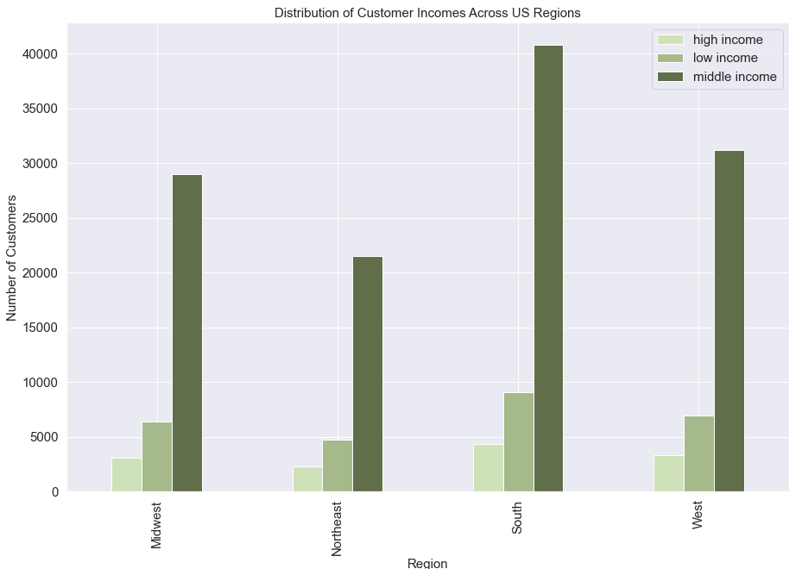

Figure 12 |  |  |  | Figure 13
Figure 12 shows the income distribution of customers. Middle income customers make up the vast majority of customers |  |  |  | Figure 13 shows the distribution of income groups among the different regions. There is a consistent pattern among the four regions.

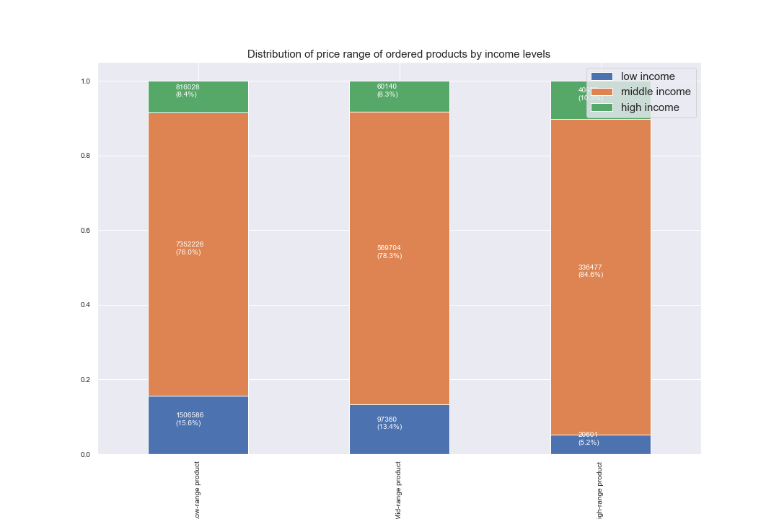

Figure 14 |  |  |  |  | Figure 15
Figure 14 shows the breakdown of products ordered by the income groups based on the product's price range. Middle income customers make up the vast majority of customers for all three product ranges. The only apperant distinction in the products' performance that low income customers spend less on high-range products. |  |  |  |  | Figure 15 shows the breakdown of loyal customers based on income level. Middle income customers make up the largest percent of loyal customers.

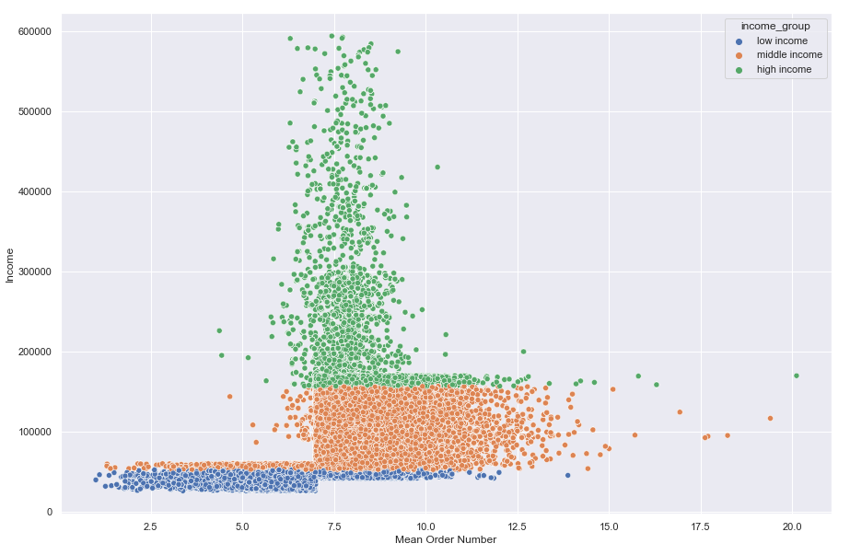

 |  |  |  | Figure 16 shows the average number of orders based on income group. Each income group has a distinct pattern. High income customers hover around ~5-10, while low income customers hover from ~1-7 and middle income customers from ~7-12.

Figure 16

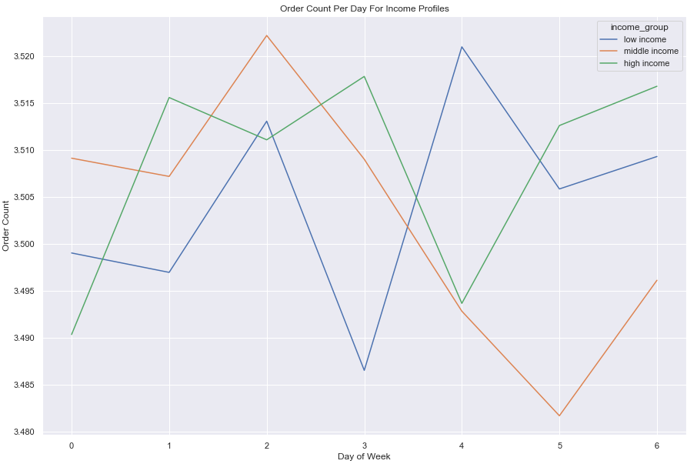
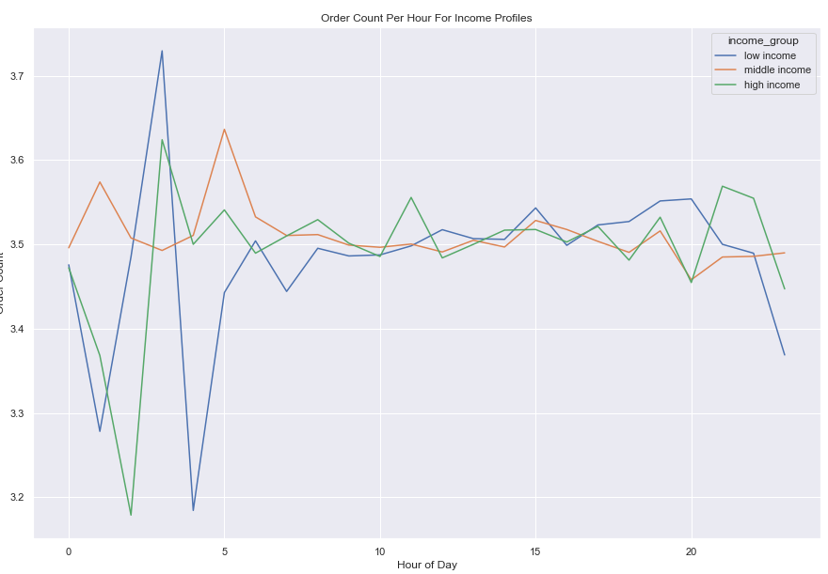

Figure 17 |  |  |  |  |  | Figure 18
Figure 17 shows the number of orders placed during different days of the week for the 3 income groups. Each income group has distinct patterns. |  |  |  |  |  | Figure 18 shows the number of orders placed during different hours of the day for the 3 income group. It's interesting to note that high and low income customers follow a somewhat similar pattern while middle income customers remain somewhat consistent.

2) Pet Owner Profile
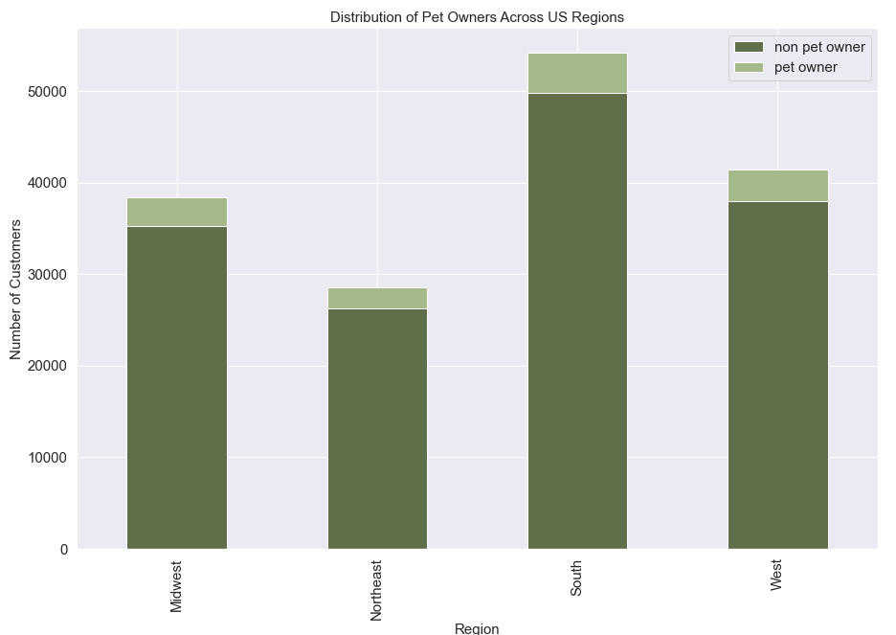

Figure 19 |  |  |  |  |  | Figure 20
Figure 19 shows the distribution of pet and non pet owners among customers. |  |  |  |  |  | Figure 20 shows the breakdown of pet owners per region.

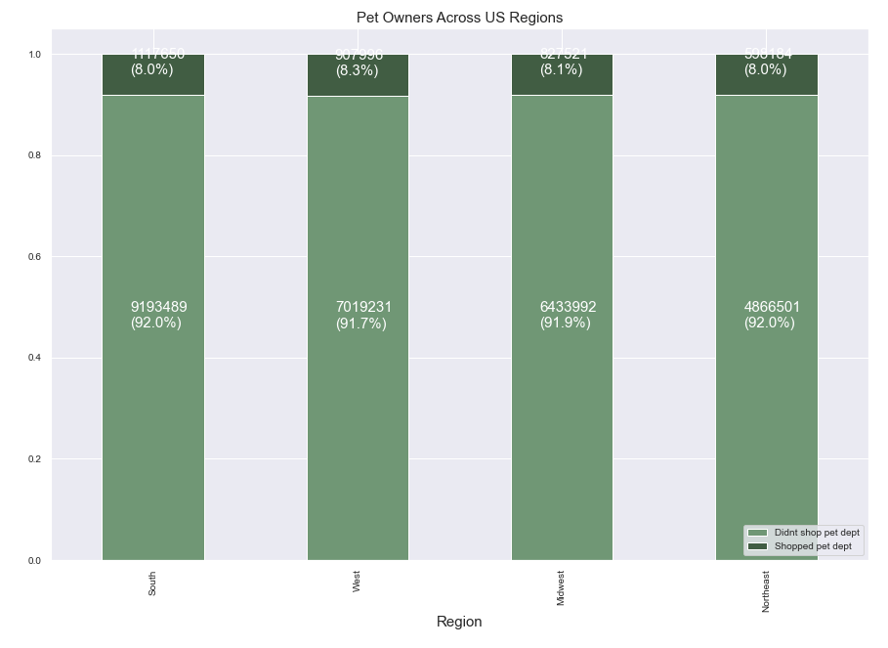

Figure 21 |  |  |  | Figure 22
Figure 21 shows the normalized distribution of pet owners among the 4 regions. |  |  |  | Figure 22 shows the breakdown of loyal customers based on the pet owner profile.

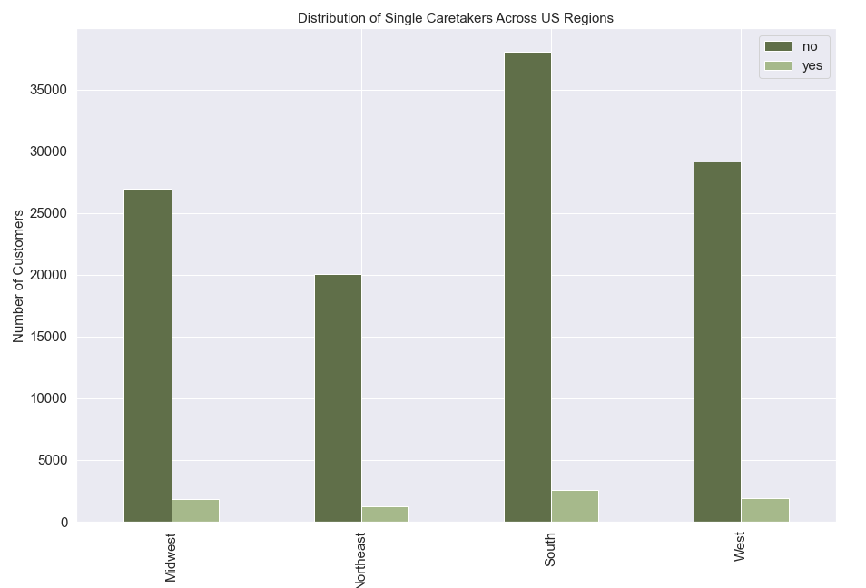
2) Single Caretaker Profile
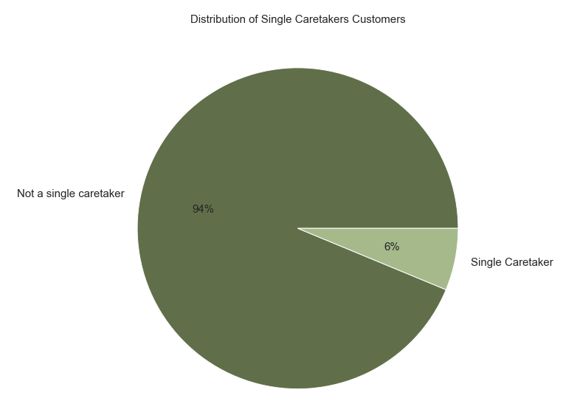

Figure 23
Figure 23 shows the distribution of single caretakers among customers. |  |  |  |  | Figure 24
 |  |  |  |  | Figure 24 shows the distribution of single caretakers among the 4 US regions.

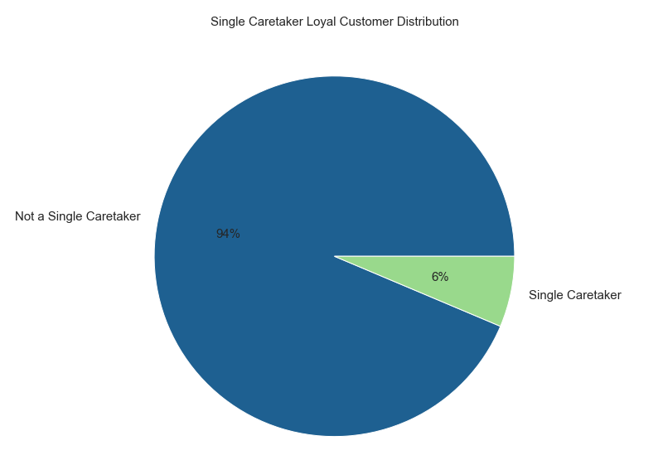

 |  | Figure 25 shows the distribution of single caretakers among loyal customers.

Figure 25

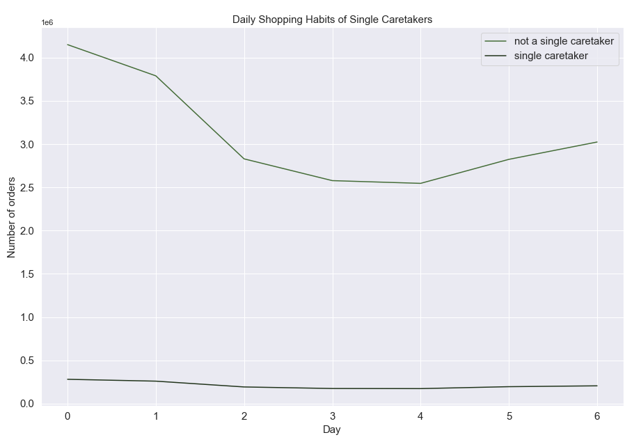


Figure 26 |  |  |  |  |  |  | Figure 27'

Figure 26 and Figure 27 show the number of orders placed on different days of the week and hours of the day for single caretakers and non single caretakers. Single caretakers do not display noticeable shopping trends, and remain at low order numbers throughout the days and hours.

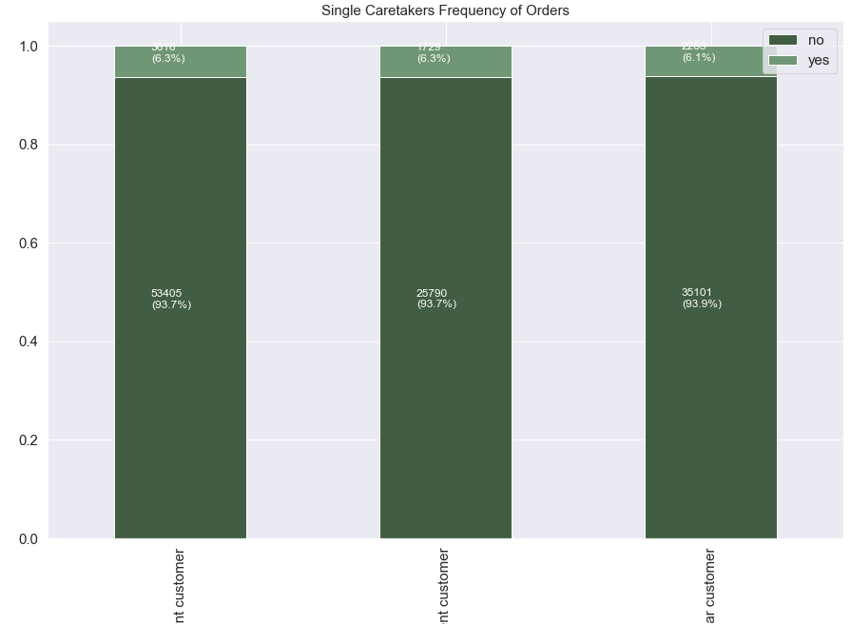

 |  | Figure 28 shows the frequency of orders by single caretakers. The proportion of single caretakers who are frequent, non-frequent, and regular customers remains consistent

Figure 28

